Sheet1
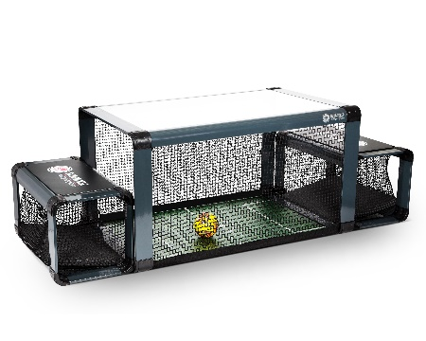


Send completed order form to Choice 360 Sports & Leisure: subsoccer@choice360.ch

All prices excluding VAT
Item | # of units | Unit price | Total
Subsoccer S7 (Force) | 1 | CHF 1,800.00 | CHF 1,800.00
Customization/Branding | 0 | CHF 150.00 | CHF 0.00
LED lights | 0 | CHF 75.00 | CHF 0.00

Subtotal |  |  | CHF 1,800.00
Delivery charge | 1 | CHF 90.00 | CHF 90.00
Total |  |  | CHF 1,890.00

Delivery terms: | DAP*www.investopedia.com/terms/d/delivered-place-dap.asp
Estimated delivery time: | Currently 10-20 days
Payment terms: | Advance payment (excluding VAT)
* https://www.investopedia.com/terms/d/delivered-place-dap.asp
Invoice address:
Name:
VAT-ID (Companies only):
Street name and number:
Postal code / ZIP:
Town / City:
Country:
Phone number:
Email Address:
(Additional info):
Delivery address:
Name:
VAT-ID (Companies only):
Street name and number:
Postal code / ZIP:
Town / City:
Country:
Phone number:
Email Address:
(Additional info):

